Sheet1
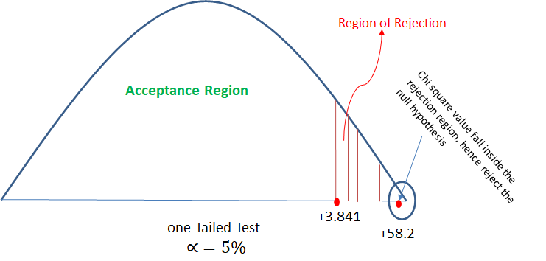
 | Question 1. There is an assumption that there is no significant difference between boys and girls with respect to intelligence. Tests are conducted on two groups and the following are the observations

 |  |  | Mean | Standard Deviation | Size | std sqr/size | Z-test
 | Girls |  | 89 | 4 | 50 | 0.32
 | Boys |  | 82 | 9 | 120 | 0.675
 | Xbar |  | 7 |  | ROOT | 0.99749686716 | 7.0175658996

 | Validate the claim with 5% LoS (Level of Significance).
Step-1
H0 (Null Hypothesis) : No difference between boys and girls in terms of intelligence
H1 (Alternate Hypothesis): Boys and girls are different in terms of intelligence
x1 bar=89
x2 bar=82
size n1 = 50 and n2 = 120 are greater than 30 hence will use z-test.

Step-2
calculate z value from the two mean z test formula as below:
z = [(x1bar - x2bar) - (μ1 μ2)]/√(s12/n1 + s22/n2) , μ2 - μ2 = 0
assuming null hypothesis is true .
z = 7.017

Step -3
calculate z critical value for α = 5% from z-table. so from z-table Z critical value = -1.96, +1.96 (will get two values due two tailed test)

Step-4
check if calculated z value is in between z critical value then accept the null hypothesis if z calculated is outside z critical then reject the null hypothesis.
Here, z calculated value is in between the z critical values. -1.96 < 1.39 < 1.96 Hence will accept the null hypothesis.

Conclusion: with given data it is significantly proven that there is no significant difference between the intelligence of boys and girls.

 | At 5% of LOS,
 | Ze = 1.645 <Z
 | ==> Reject H0

 | Question 2. Analyze the below data and tell whether you can conclude that smoking causes cancer or not?

 |  |  | Category | Diagnosed as Cancer | Without Cancer | Total
 |  |  | Smokers | 220 | 230 | 450
 |  |  | Non-Smokers | 350 | 640 | 990
 |  |  | Total | 570 | 870 | 1440

 |  | e= | Category | Diagnosed as Cancer | Without Cancer | Total
 |  |  | Smokers | 178.125 | 271.875 | 450
 |  |  | Non-Smokers | 391.875 | 598.125 | 990
 |  |  | Total | 570 | 870 | 1440

 |  |  | O | E | (O-E) | A=(O-E)^2 | X^2=(A/E)
 |  |  | 220 | 178.125 | 41.875 | 1753.515625 | 9.8442982456
 |  |  | 230 | 271.875 | -41.875 | 1753.515625 | 6.4497126437
 |  |  | 350 | 391.875 | -41.875 | 1753.515625 | 4.4746810207
 |  |  | 640 | 598.125 | 41.875 | 1753.515625 | 2.9316875653
 |  |  |  |  |  | Total | 23.700379475

 | Step-1
 | H0 | Cancer is dependent on smoking
 | H1 | cancer is not dependent on smoking

 | Step-2
 | Calculate the expected value for each cell of the table (when null hypothesis is true) The expected values specify what the values of each cell of the table would be if there is no association between the two variables.
 | The formula for computing the expected values requires the sample size, the row totals, and the column totals. expected value (e) = (row total * column total)/table tota |  |  |  |  |  |  | total

 | Step-3
 | calculate the chi square value: χ2 = Σ[(o-e)2]/e ; χ2 = 23.70

 | Step-4
 | Now will check χ2 table for the critical value with α = 5% So from table we got χ2 (critical value at α = 5%) = 3.841
 | The chi-square value of 23.70 is much larger than the critical value of 3.84, so the null hypothesis can be rejected

 | Conculsion:With a given data it can be said that cancer is not depen |  |  |  | depend on smoking.

